Mixing and Injection
Chemical mixing calculator

Enter data in yellow boxes

Desired general application rate
gallons/acre/nozzle | 30 | From nozzle rate chart or desired rate

Chemical rate
pints/acre | 2 | From chemistry label
gallons/acre | 0.25

Carrier tank volume (water)
gallons | 300 | From equipment

Rate / nozzle @ set spray pressure
gallons/minute | 0.4 | From nozzle rate chart

Number of nozzles | 11 | From equipment

Acres per tank | 0.91

Actual chem pump flow
oz/min | 6.22 | Calibration measurement

Chem added to chem tank
oz | 128 | Measured amount

Water to add to chem tank
oz | 42

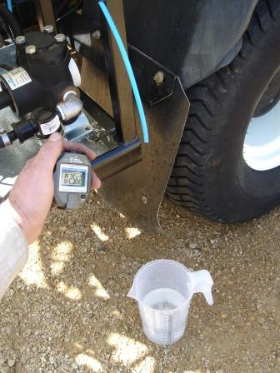

Calibration should be performed regularly

